MN
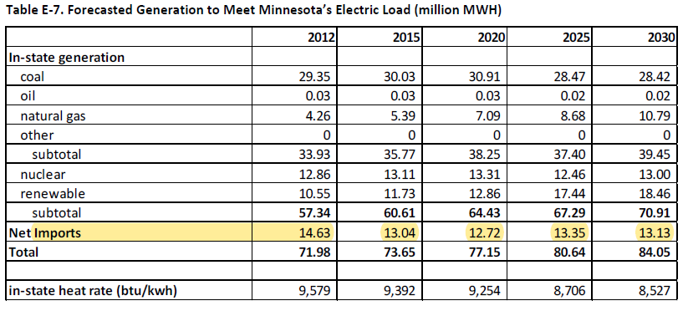

 |  |  |  |  |  |  |  |  |  |  |  | 2015 | 2020 | 2025 | 2030
 |  |  |  |  |  |  |  |  |  |  |  | 13.04 | 12.72 | 13.35 | 13.13

Growth in electricity imports
 |  | 2015 | 2016 | 2017 | 2018 | 2019 | 2020 | 2021 | 2022 | 2023 | 2024 | 2025 | 2026 | 2027 | 2028 | 2029 | 2030
 | net imports | 13.04 | 12.976 | 12.912 | 12.848 | 12.784 | 12.72 | 12.846 | 12.972 | 13.098 | 13.224 | 13.35 | 13.306 | 13.262 | 13.218 | 13.174 | 13.13
 | % change |  | -0.5% | -0.5% | -0.5% | -0.5% | -0.5% | 0.5% | 1.5% | 2.5% | 3.4% | 4.4% | 4.1% | 3.7% | 3.4% | 3.1% | 2.7%

